Sheet1
 | Contributors : abecket , ssavva05 |  | epl425 Exercise 1 2017 Performance Tests Results |  |  | https://github.com/ssavva05/epl425exercise1.git
 | Plot A | Client PC 1
Latency (nanos) : |  | Number of concurrent users (Each user execute 300 concurrent requests) (Thread Poll size 10 on both sides)
Name on AWS | Number of CPU | 15 | 50 | 100 | 300 | 500 | Average:
t2.micro | 1 | 502735625 | 514855585 | 510272257 | 503607866 | 514997788 | 509293824
t2.large | 2 | 480420990 | 504245801 | 504510236 | 492015423 | 514008622 | 499040214
t2.xlarge | 4 | We were not authorized to run a 4 CPU instance on Amazon, we had an error when we tried to start it !

 | Plot B | Client PC 2 (with lower specs)
Latency (nanos) : |  | Number of concurrent users (Each user execute 300 concurrent requests) (Thread Poll size 10 on both sides)
Name on AWS | Number of CPU | 15 | 50 | 100 | 300 | 500 | Average:
t2.micro | 1 | 687770887 | 696178292 | 727376255 | 694607866 | 694097788 | 700006218
t2.large | 2 | 681204127 | 694097788 | 684245801 | 693510236 | 683607866 | 687333164
t2.xlarge | 4 | We were not authorized to run a 4 CPU instance on Amazon, we had an error when we tried to start it !

 | Plot C | Amazone AWS Ubuntu Virtual Machine
Throughput (request per second): |  | Number of concurrent users (Each user execute 300 concurrent requests) (Thread Poll size 10 on both sides)
Name on AWS | Number of CPU | 15 | 50 | 100 | 300 | 500 | Average:
t2.micro | 1 | 4 | 5 | 5 | 6 | 6 | 5
t2.large | 2 | 7 | 8 | 8 | 9 | 9 | 8
t2.xlarge | 4 | We were not authorized to run a 4 CPU instance on Amazon, we had an error when we tried to start it !

 | Plot D | Amazone AWS Ubuntu Virtual Machine Number of concurrent users (Each user execute 300 concurrent requests) ( 10 users) |  |  |  |  | with t2.medium
CPU Usage (1 is full Load): |  | Thread Poll size on both sides
Requests per second |  | 10 | 15 | 50 | 200 | 1000 | Average:
7 |  | 0.15 | n/a | n/a | n/a | n/a | 0.15
8 |  | n/a | 0.20 | 0.40 | n/a | n/a | 0.30
9 |  | n/a | n/a | n/a | 0.60 | 0.60 | 0.60
 |  | We can serve maximum 9 requests per second due to network bottleneck

 | Plot E | Amazone AWS Ubuntu Virtual Machine Number of concurrent users (Each user execute 300 concurrent requests) ( 10 users) |  |  |  |  | with t2.medium
Ram Usage (MB): |  | Thread Poll size on both sides
Requests per second |  | 10 | 15 | 50 | 200 | 1000 | Average:
7 |  | 120 | n/a | n/a | n/a | n/a | 120
8 |  | n/a | 130 | 150 | n/a | n/a | 140
9 |  | n/a | n/a | n/a | 160 | 170 | 165
 |  | We can serve maximum 9 requests per second due to network bottleneck

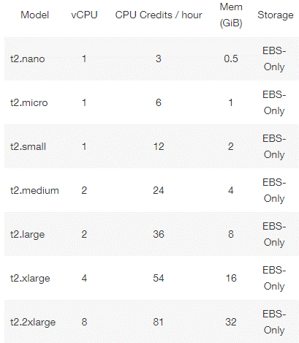
 |  |  | Plot A | Latency (in nano seconds)

 |  |  | Plot B | Latency (in nano seconds)

 |  |  | Plot C | Throughput (request per second)

 |  |  | Plot D | Average Cpu Usage (%)

 |  |  | Plot E | Average Memory Use (MB)

 |  |  |  |  |  |  |  | Avarages for plots

 |  |  |  |  |  |  |  |  | CPU
 |  |  |  |  |  |  |  | 7 | 15
 |  |  |  |  |  |  |  | 8 | 30
 |  |  |  |  |  |  |  | 9 | 60
 |  |  |  |  |  |  |  |  | Ram
 |  |  |  |  |  |  |  | 7 | 120
 |  |  |  |  |  |  |  | 8 | 140
 |  |  |  |  |  |  |  | 9 | 165

